Script
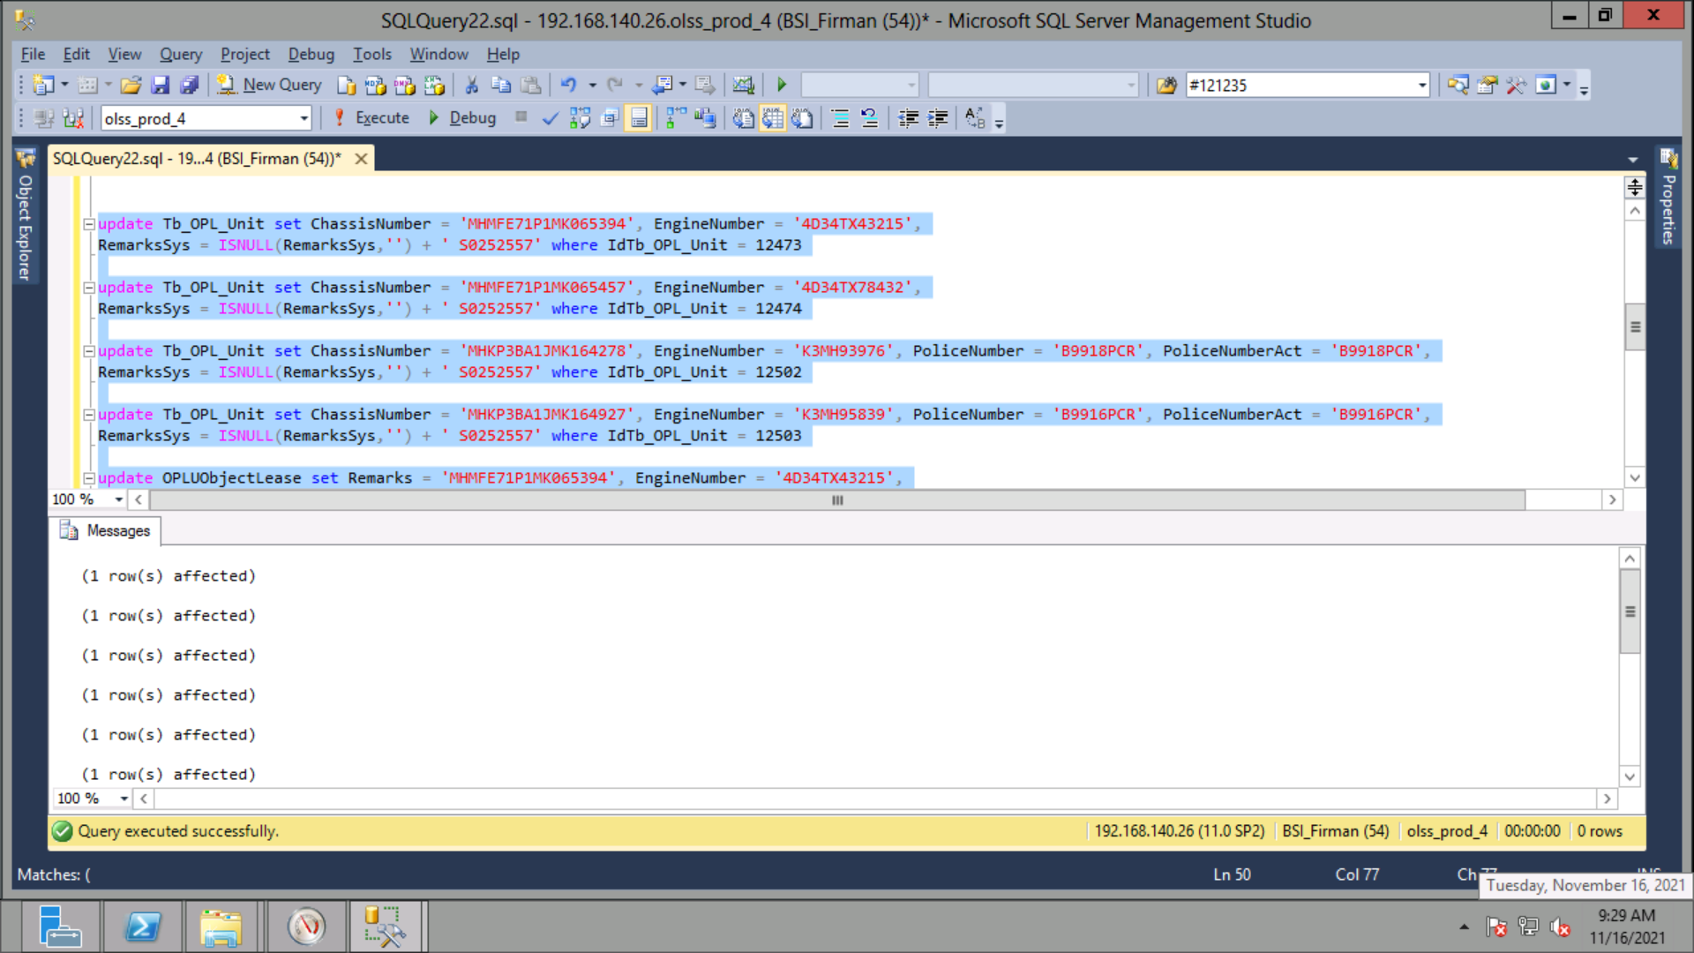
update Tb_OPL_Unit set ChassisNumber = 'MHMFE71P1MK065394', EngineNumber = '4D34TX43215',
RemarksSys = ISNULL(RemarksSys,'') + ' S0252557' where IdTb_OPL_Unit = 12473

update Tb_OPL_Unit set ChassisNumber = 'MHMFE71P1MK065457', EngineNumber = '4D34TX78432',
RemarksSys = ISNULL(RemarksSys,'') + ' S0252557' where IdTb_OPL_Unit = 12474

update Tb_OPL_Unit set ChassisNumber = 'MHKP3BA1JMK164278', EngineNumber = 'K3MH93976', PoliceNumber = 'B9918PCR', PoliceNumberAct = 'B9918PCR',
RemarksSys = ISNULL(RemarksSys,'') + ' S0252557' where IdTb_OPL_Unit = 12502

update Tb_OPL_Unit set ChassisNumber = 'MHKP3BA1JMK164927', EngineNumber = 'K3MH95839', PoliceNumber = 'B9916PCR', PoliceNumberAct = 'B9916PCR',
RemarksSys = ISNULL(RemarksSys,'') + ' S0252557' where IdTb_OPL_Unit = 12503

update OPLUObjectLease set Remarks = 'MHMFE71P1MK065394', EngineNumber = '4D34TX43215',
RemarksSys = ISNULL(RemarksSys,'') + ' S0252557' where IdTb_OPL_Unit = 12473

update OPLUObjectLease set Remarks = 'MHMFE71P1MK065457', EngineNumber = '4D34TX78432',
RemarksSys = ISNULL(RemarksSys,'') + ' S0252557' where IdTb_OPL_Unit = 12474

update OPLUObjectLease set Remarks = 'MHKP3BA1JMK164278', EngineNumber = 'K3MH93976', IdentityPoliceNumber = 'B9918PCR',
RemarksSys = ISNULL(RemarksSys,'') + ' S0252557' where IdTb_OPL_Unit = 12502

update OPLUObjectLease set Remarks = 'MHKP3BA1JMK164927', EngineNumber = 'K3MH95839', IdentityPoliceNumber = 'B9916PCR',
RemarksSys = ISNULL(RemarksSys,'') + ' S0252557' where IdTb_OPL_Unit = 12503

Screenshot
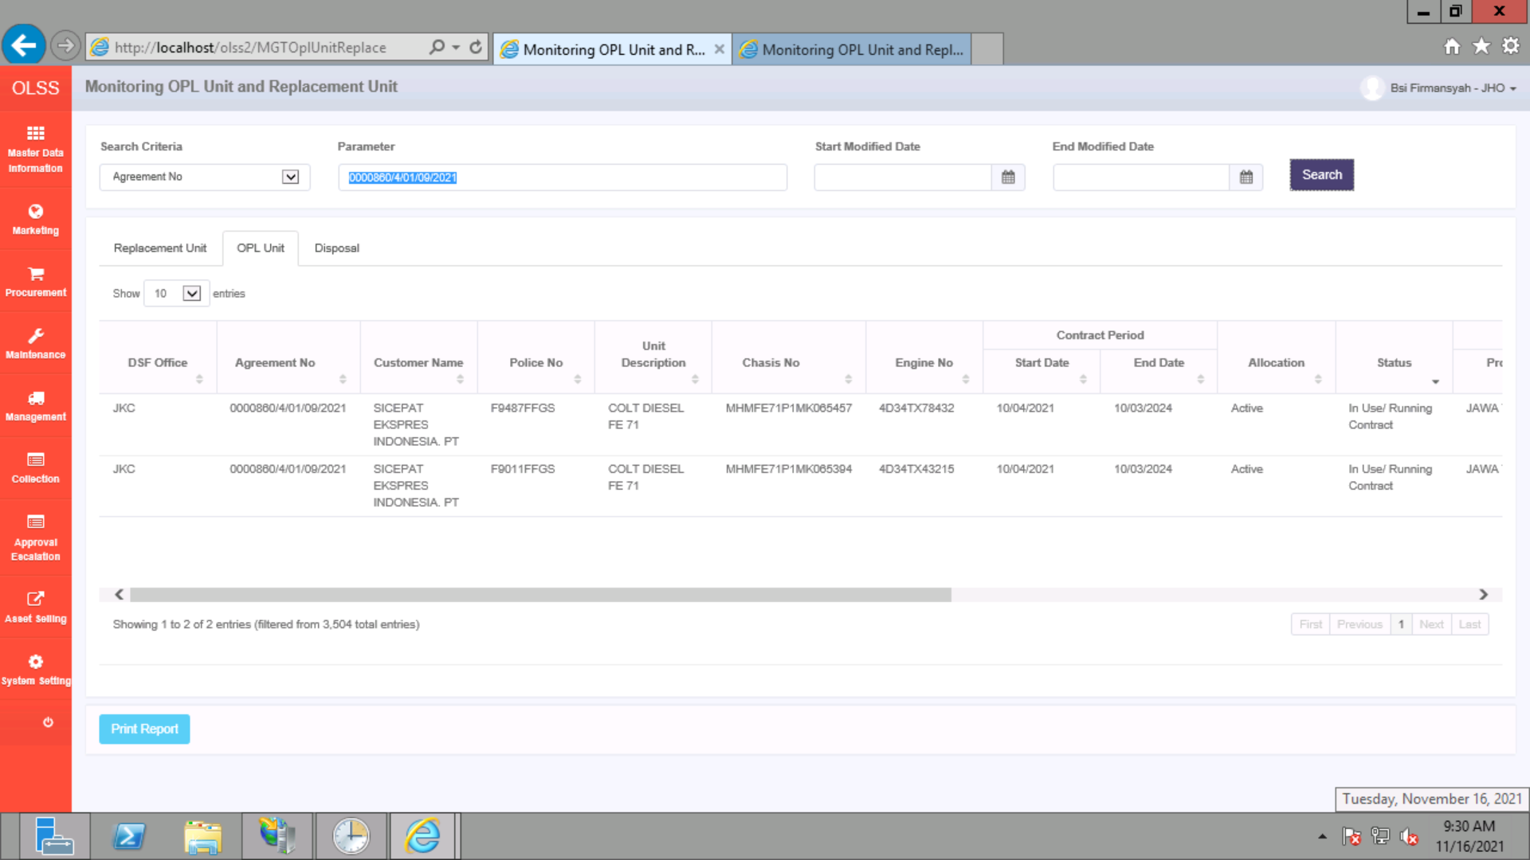
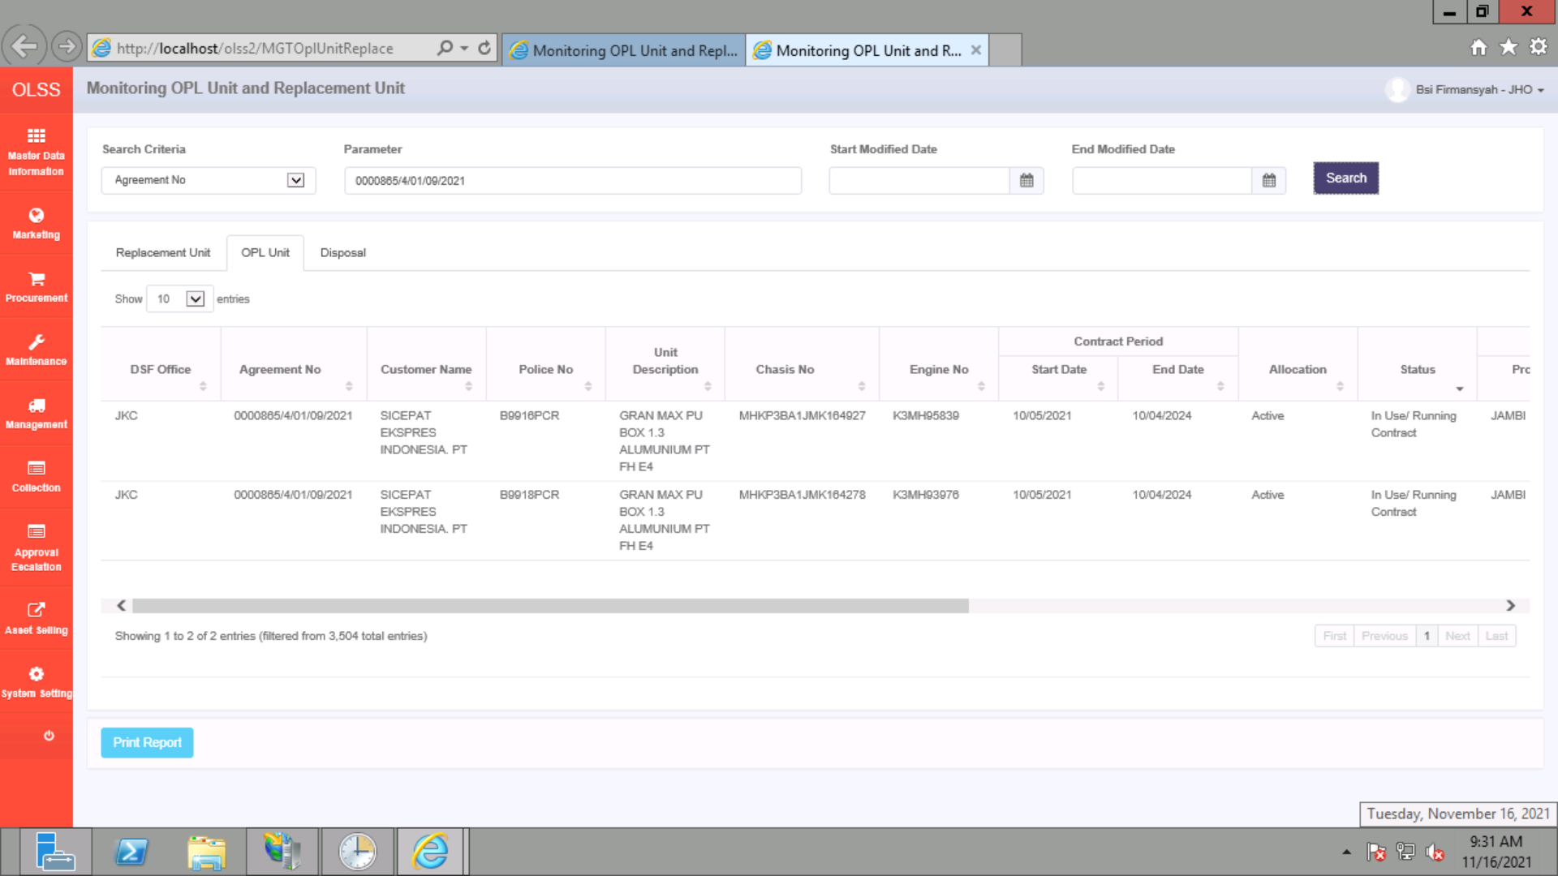
BEFORE
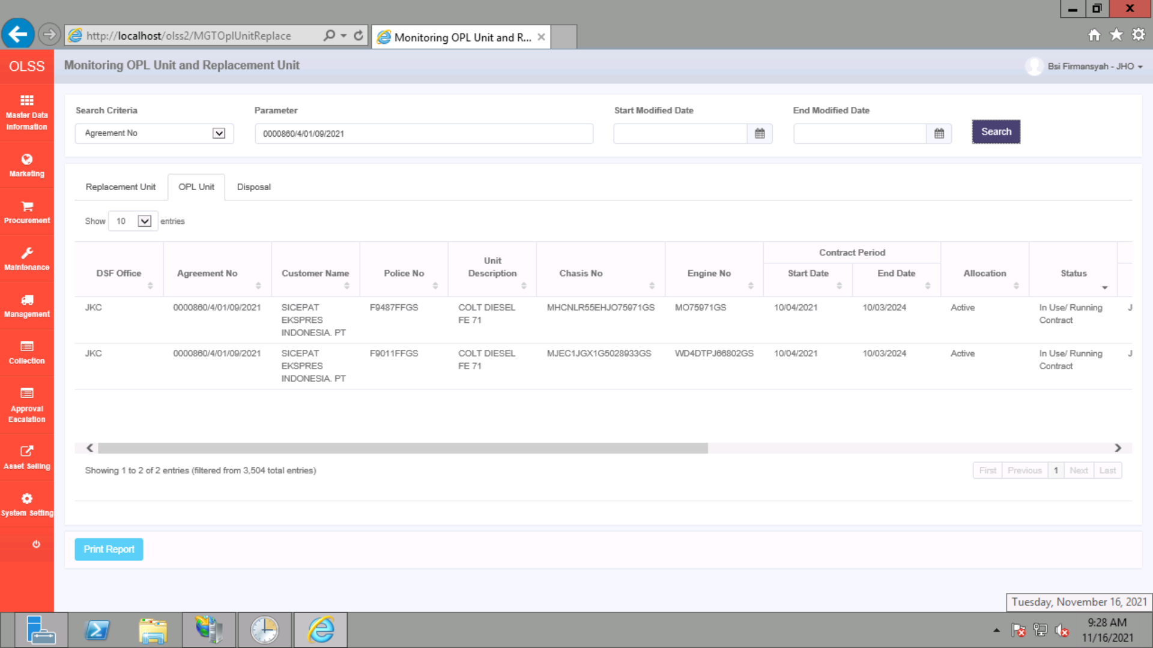


AFTER

